How To Use This Template
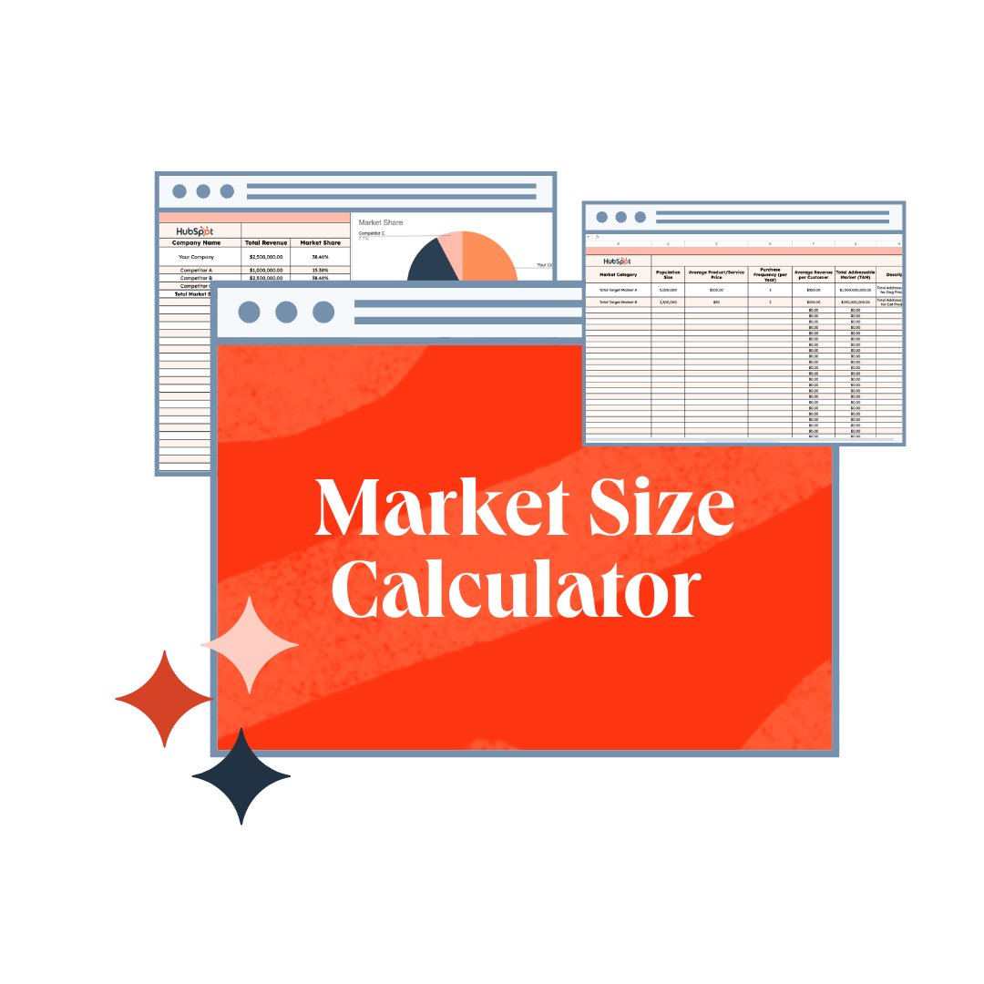
 |  |  | How to Use This Template:

 |  |  | The Market Size Calculator has sheets to help you calculate: • Total Addressable Market (TAM) • Serviceable Available Market (SAM) • Market Penetration Rate • Market Size & Share • Market Growth Rate & Projections To learn more about each sheet, read through the Sheet Instructions tab.

Free Market

Size Calculator

Free HubSpot CRM Software

Up your customer relationship management game with HubSpot's free CRM software tools

 | Get Started

 | Hubspot Marketing Hub

 | All your marketing tools and data — all under one roof.

 |  | Get Started

Total Addressable Market (TAM)
Total Addressable Market (TAM) Sizes

Market Category | Population Size | Average Product/Service Price | Purchase Frequency (per Year) | Average Revenue per Customer | Total Addressable Market (TAM) | Description
Total Target Market A | 1,900,000,000 | $100.00 | 1 | $100.00 | $190,000,000,000.00 | Total Addressable Market for Muslims who want to understand Quran
Total Target Market B (MY) | 1,900,000,000 | $10 | 1 | $10.00 | $19,000,000,000.00 | Total Addressable Market for Muslims who want to understand Quran
 |  |  |  | $0.00 | $0.00
 |  |  |  | $0.00 | $0.00
 |  |  |  | $0.00 | $0.00
 |  |  |  | $0.00 | $0.00
 |  |  |  | $0.00 | $0.00
 |  |  |  | $0.00 | $0.00
 |  |  |  | $0.00 | $0.00
 |  |  |  | $0.00 | $0.00
 |  |  |  | $0.00 | $0.00
 |  |  |  | $0.00 | $0.00
 |  |  |  | $0.00 | $0.00
 |  |  |  | $0.00 | $0.00
 |  |  |  | $0.00 | $0.00
 |  |  |  | $0.00 | $0.00
 |  |  |  | $0.00 | $0.00
 |  |  |  | $0.00 | $0.00
 |  |  |  | $0.00 | $0.00
 |  |  |  | $0.00 | $0.00
 |  |  |  | $0.00 | $0.00
 |  |  |  | $0.00 | $0.00
 |  |  |  | $0.00 | $0.00
 |  |  |  | $0.00 | $0.00
 |  |  |  | $0.00 | $0.00
 |  |  |  | $0.00 | $0.00
 |  |  |  | $0.00 | $0.00
 |  |  |  | $0.00 | $0.00
 |  |  |  | $0.00 | $0.00
 |  |  |  | $0.00 | $0.00
 |  |  |  | $0.00 | $0.00
 |  |  |  | $0.00 | $0.00
 |  |  |  | $0.00 | $0.00
 |  |  |  | $0.00 | $0.00
 |  |  |  | $0.00 | $0.00
 |  |  |  | $0.00 | $0.00
 |  |  |  | $0.00 | $0.00
 |  |  |  | $0.00 | $0.00
 |  |  |  | $0.00 | $0.00
 |  |  |  | $0.00 | $0.00
 |  |  |  | $0.00 | $0.00
 |  |  |  | $0.00 | $0.00
 |  |  |  | $0.00 | $0.00
 |  |  |  | $0.00 | $0.00
 |  |  |  | $0.00 | $0.00
 |  |  |  | $0.00 | $0.00
 |  |  |  | $0.00 | $0.00
 |  |  |  | $0.00 | $0.00
 |  |  |  | $0.00 | $0.00
 |  |  |  | $0.00 | $0.00
 |  |  |  | $0.00 | $0.00
 |  |  |  | $0.00 | $0.00
 |  |  |  | $0.00 | $0.00
 |  |  |  | $0.00 | $0.00
 |  |  |  | $0.00 | $0.00
 |  |  |  | $0.00 | $0.00
 |  |  |  | $0.00 | $0.00
 |  |  |  | $0.00 | $0.00
 |  |  |  | $0.00 | $0.00
 |  |  |  | $0.00 | $0.00
 |  |  |  | $0.00 | $0.00
 |  |  |  | $0.00 | $0.00
 |  |  |  | $0.00 | $0.00
 |  |  |  | $0.00 | $0.00

Serviceable Addressable Market
Serviceable Addressable Market (SAM) Sizes

Market Category | Population Size | Segment | Segment Percentage of Population | Segment Size | Average Product/Service Price | Purchase Frequency (per Year) | Average Revenue per Customer | Serviceable Addressable Market (SAM) | Description
Total Target Market A | 5,000,000 | Age 18-24 | 20% | 1,000,000 | $100.00 | 1 | $100.00 | $100,000,000.00 | Serviceable Available Market for Muslims
Total Target Market B | 2,500,000 | Lives in New York | 30% | 750,000 | $50.00 | 1 | $50.00 | $37,500,000.00 | Serviceable Available Market for Muslims
 |  |  |  | 0 |  |  | $0.00 | $0.00
 |  |  |  | 0 |  |  | $0.00 | $0.00
 |  |  |  | 0 |  |  | $0.00 | $0.00
 |  |  |  | 0 |  |  | $0.00 | $0.00
 |  |  |  | 0 |  |  | $0.00 | $0.00
 |  |  |  | 0 |  |  | $0.00 | $0.00
 |  |  |  | 0 |  |  | $0.00 | $0.00
 |  |  |  | 0 |  |  | $0.00 | $0.00
 |  |  |  | 0 |  |  | $0.00 | $0.00
 |  |  |  | 0 |  |  | $0.00 | $0.00
 |  |  |  | 0 |  |  | $0.00 | $0.00
 |  |  |  | 0 |  |  | $0.00 | $0.00
 |  |  |  | 0 |  |  | $0.00 | $0.00
 |  |  |  | 0 |  |  | $0.00 | $0.00
 |  |  |  | 0 |  |  | $0.00 | $0.00
 |  |  |  | 0 |  |  | $0.00 | $0.00
 |  |  |  | 0 |  |  | $0.00 | $0.00
 |  |  |  | 0 |  |  | $0.00 | $0.00
 |  |  |  | 0 |  |  | $0.00 | $0.00
 |  |  |  | 0 |  |  | $0.00 | $0.00
 |  |  |  | 0 |  |  | $0.00 | $0.00
 |  |  |  | 0 |  |  | $0.00 | $0.00
 |  |  |  | 0 |  |  | $0.00 | $0.00
 |  |  |  | 0 |  |  | $0.00 | $0.00
 |  |  |  | 0 |  |  | $0.00 | $0.00
 |  |  |  | 0 |  |  | $0.00 | $0.00
 |  |  |  | 0 |  |  | $0.00 | $0.00
 |  |  |  | 0 |  |  | $0.00 | $0.00
 |  |  |  | 0 |  |  | $0.00 | $0.00
 |  |  |  | 0 |  |  | $0.00 | $0.00
 |  |  |  | 0 |  |  | $0.00 | $0.00
 |  |  |  | 0 |  |  | $0.00 | $0.00
 |  |  |  | 0 |  |  | $0.00 | $0.00
 |  |  |  | 0 |  |  | $0.00 | $0.00
 |  |  |  | 0 |  |  | $0.00 | $0.00
 |  |  |  | 0 |  |  | $0.00 | $0.00
 |  |  |  | 0 |  |  | $0.00 | $0.00
 |  |  |  | 0 |  |  | $0.00 | $0.00
 |  |  |  | 0 |  |  | $0.00 | $0.00
 |  |  |  | 0 |  |  | $0.00 | $0.00
 |  |  |  | 0 |  |  | $0.00 | $0.00
 |  |  |  | 0 |  |  | $0.00 | $0.00
 |  |  |  | 0 |  |  | $0.00 | $0.00
 |  |  |  | 0 |  |  | $0.00 | $0.00
 |  |  |  | 0 |  |  | $0.00 | $0.00
 |  |  |  | 0 |  |  | $0.00 | $0.00
 |  |  |  | 0 |  |  | $0.00 | $0.00
 |  |  |  | 0 |  |  | $0.00 | $0.00
 |  |  |  | 0 |  |  | $0.00 | $0.00
 |  |  |  | 0 |  |  | $0.00 | $0.00
 |  |  |  | 0 |  |  | $0.00 | $0.00
 |  |  |  | 0 |  |  | $0.00 | $0.00
 |  |  |  | 0 |  |  | $0.00 | $0.00
 |  |  |  | 0 |  |  | $0.00 | $0.00
 |  |  |  | 0 |  |  | $0.00 | $0.00
 |  |  |  | 0 |  |  | $0.00 | $0.00
 |  |  |  | 0 |  |  | $0.00 | $0.00
 |  |  |  | 0 |  |  | $0.00 | $0.00
 |  |  |  | 0 |  |  | $0.00 | $0.00
 |  |  |  | 0 |  |  | $0.00 | $0.00
 |  |  |  | 0 |  |  | $0.00 | $0.00
 |  |  |  | 0 |  |  | $0.00 | $0.00

Market Size & Share
Market Share

Company Name | Total Revenue | Market Share
Your Company | $2,500,000.00 | 38.46%
Competitor A | $1,000,000.00 | 15.38%
Competitor B | $2,500,000.00 | 38.46%
Competitor C | $500,000.00 | 7.69%
Total Market Size | $6,500,000.00 | 100.00%

